Sheet1
Epochs | Downsample Window Size | Downsample Filters | Window Size | Filters | Training | Mean CrossVal | Val | Testing
1000 | 5 | 15 | 30 | 500 | 0.988 | 0.8235 | 0.8235
1000 | 5 | 15 | 30 | 1000 | 0.9883 | 0.8395 | 0.9412 | 0.7976 | 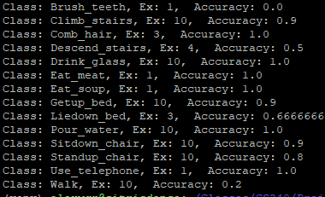
1000 | 5 | 15 | 30 | 2000 | 0.993 | 0.8519 | 0.9118
1000 | 5 | 50 | 30 | 2000 | 0.9977 | 0.858 | 0.8824

